Sheet2
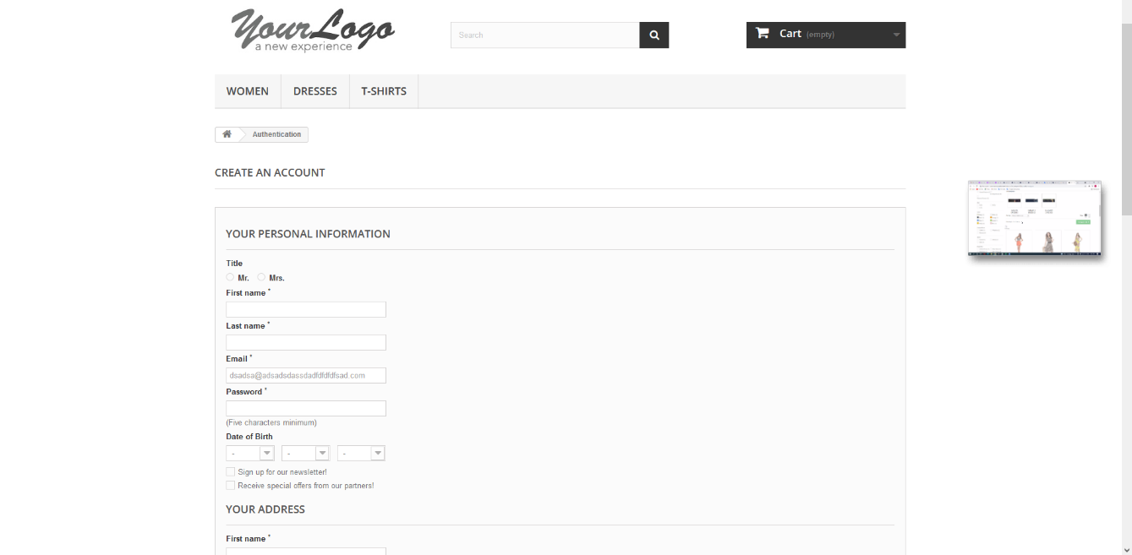
Summary | Description | Steps to reproduce | Test Data | Expected Result | Actual Result | Priority and severity | Repro rate
User can register with non existing email provider | When user tries to register he can input non existing email provider and he gets redirected to the registration page | Open Chrome Browser |  | Browser is opened | Browser is opened | High priority and high severity | 100%
 |  | Go to url "http://automationpractice.com/index.php" |  | YourLogo WebSite is opened | YourLogo WebSite is opened
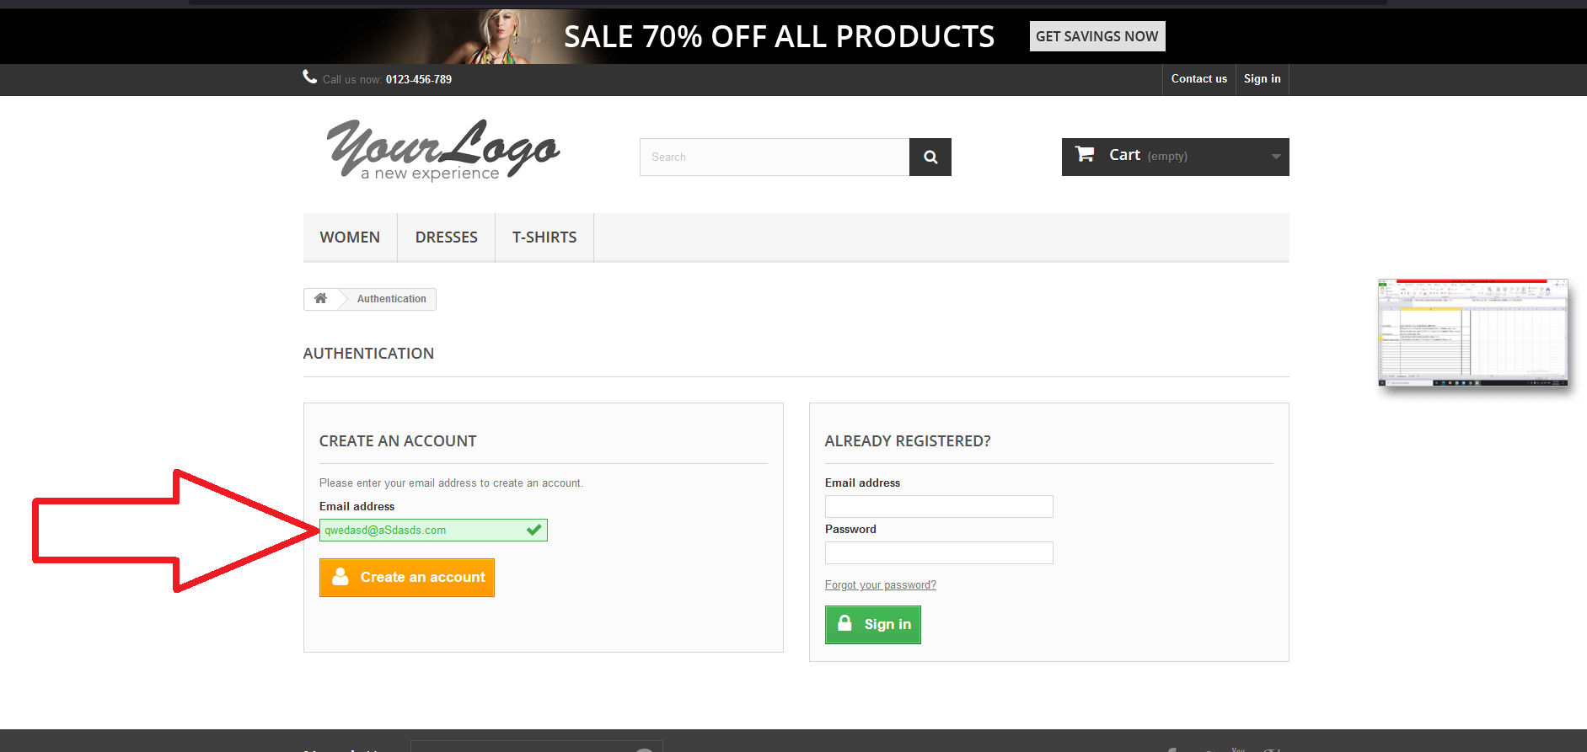
 |  | Click button "Sign in" on the top right corner |  | User is redirected to the register/signIn page | User is redirected to the register/signIn page
 |  | Input invalid Email in the Email address field under the "CREATE AN ACCOUNT" | asdsad@asdad.com | Email is inputed and visible | Email is inputed and visible
 |  | Click on the "Create an account" button |  | User is redirected to the registration page | User is redirected to the registration page

